Hoja1
DESCRIPCION | MARCA | MODELO | SERIE | IMAGEN | ESPECIFICACIONES TÉCNICAS
ESTACION TOTAL | TOPCON | ES105 | GZ6351 | 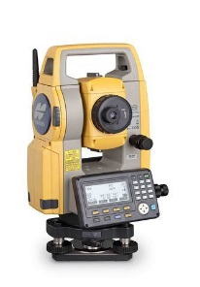 | https://www.topconpositioning.com/sites/default/files/product_files/topcon_es_series_brochure_a_us_us_low.pdf
ESTACION TOTAL | TOPCON | ES105 | GZ 8469
NIVEL TOPOGRAFICO | TRIMBLE | DINI | 772756 | 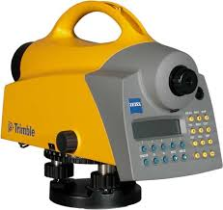 | https://cn.geospatial.trimble.com/sites/geospatial.trimble.com/files/2019-03/Datasheet%20-%20DiNi%20Digital%20Level%20-%20Spanish%20-%20Screen.pdf
NIVEL TOPOGRAFICO | TRIMBLE | DINI | 772757
NIVEL TOPOGRAFICO | TRIMBLE | DINI | 772759
DRONE | AIBOTIX | AIBOT X6 | X6 V2 0429 2015 |  | https://www.grupoginpro.com/PDF/INFORMACION_DE_AIBOT_X6.pdf
DRONE | PHANTOM | 4-PRO + | OAXCEB-40B30104 | 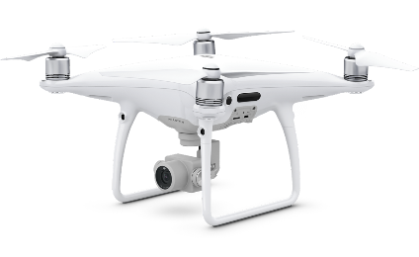 | https://www.dji.com/phantom-4-pro/info
DRONE | PHANTOM | 4-PRO + | OAXCAX-OA30506
GNSS (GPS) | TRIMBLE | R-10 | 5840470275 | 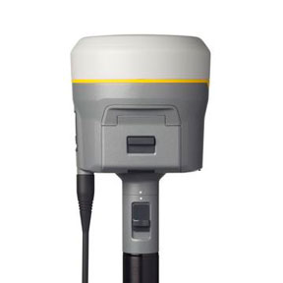 | https://es-la.geospatial.trimble.com/sites/geospatial.trimble.com/files/2019-04/022516-332A_TrimbleR10-2_DS_USL_0419_LR.pdf
GNSS (GPS) | TRIMBLE | R-10 | 5840470097
GNSS (GPS) | TRIMBLE | R-10 | 5840470105
GNSS (GPS) | TRIMBLE | R-10 | 5840470465
COLECTOR DE DATOS | TRIMBLE | RANGER TSC3 | RS5SD05365 | 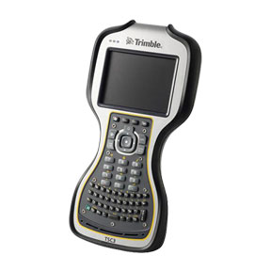 | https://es-la.geospatial.trimble.com/sites/geospatial.trimble.com/files/2019-03/Datasheet%20-%20Trimble%20TSC3%20Controller%20-%20English%20USL%20-%20Screen.pdf
COLECTOR DE DATOS | TRIMBLE | RANGER TSC3 | RS5SD05251
COLECTOR DE DATOS | TRIMBLE | RANGER TSC3 | RS5SD05208
COLECTOR DE DATOS | TRIMBLE | RANGER TSC3 | RS5SD05273
ESTACION TOTAL | GEOMAX | ZOOM40 2" | 2156523 | 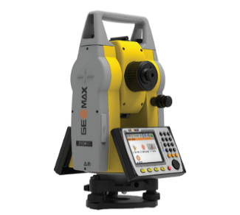 | https://civiltec.mx/loginwp/wp-content/uploads/2018/09/Geomax_Zoom40-Pro.pdf
ESTACION TOTAL | GEOMAX | ZOOM40 2" | 2156517
ESTACION TOTAL | GEOMAX | ZOOM40 2" | 2155842
ESTACION TOTAL | GEOMAX | ZOOM40 2" | 2156519
ESTACION TOTAL | GEOMAX | ZOOM40 2" | 2156518
GNSS (GPS) | GEOMAX | ZENITH 25 PRO | 3130731 | 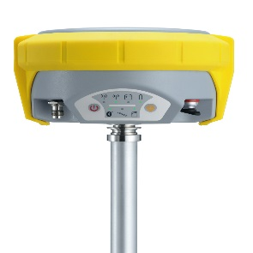 | http://www.pyme10.com/html/6616_CONSUTORIA_Y_CALIBRACION_S_L_/files/42831_GeoMax%20Zenith35%20DS_esR.pdf
COLECTOR DE DATOS | GEOMAX | ZENIUS 5W | 25H137112009 |  | https://geomax-positioning.com/products/field-controllers/zenius5

